Sheet1
Seller Rating | Close Price | Correlation
243 | $61.31 | 0.640
182 | $45.41
17 | $46.60 | Slope | Intercept
102 | $54.43 | $0.08 | 30.72
602 | $70.76
0 | $18.64 | LinestEstimate
300 | $35.87 | Slope | Intercept
16 | $22.11 | $0.08 | $30.72
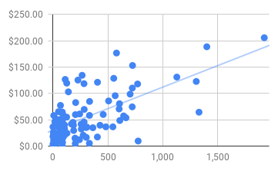
105 | $33.16
5 | $23.16
84 | $0.78
331 | $5.78
428 | $39.92
309 | $36.29
55 | $44.19
256 | $42.03
643 | $57.64
48 | $36.25
88 | $61.36
140 | $103.17
48 | $24.15
258 | $32.77
1,304 | $122.88
201 | $15.53
125 | $119.68
26 | $52.07
50 | $65.60
90 | $52.75
44 | $43.06
50 | $40.38
203 | $5.30
35 | $24.06
283 | $45.96
41 | $48.13
545 | $36.94
91 | $16.48
7 | $58.37
1,329 | $64.62
664 | $54.08
127 | $24.90
206 | $82.90
722 | $110.37
204 | $60.04
2 | $3.52
332 | $58.59
69 | $51.24
111 | $126.72
124 | $55.35
186 | $39.99
83 | $30.14
105 | $40.52
7 | $19.57
227 | $125.44
404 | $17.70
1 | $4.68
86 | $45.47
333 | $85.05
481 | $36.91
282 | $118.68
51 | $14.75
605 | $80.74
405 | $121.32
188 | $30.00
87 | $7.38
203 | $14.53
168 | $42.37
553 | $128.78
84 | $65.02
68 | $77.54
457 | $60.27
506 | $85.95
6 | $11.66
241 | $12.64
265 | $134.51
775 | $10.05
608 | $48.89
303 | $16.95
1,400 | $188.51
7 | $5.29
5 | $2.06
724 | $153.08
9 | $7.31
702 | $98.85
106 | $21.33
49 | $9.41
721 | $74.76
363 | $35.27
275 | $21.01
42 | $38.13
4 | $26.81
303 | $36.15
578 | $176.67
770 | $118.10
85 | $19.99
1,127 | $131.10
25 | $5.69
284 | $69.92
566 | $95.88
0 | $36.92
1,923 | $205.64

